Page-2
Date - 1Jan'21 to 29Jul'21 Traffic generated by Enrich Team excluded
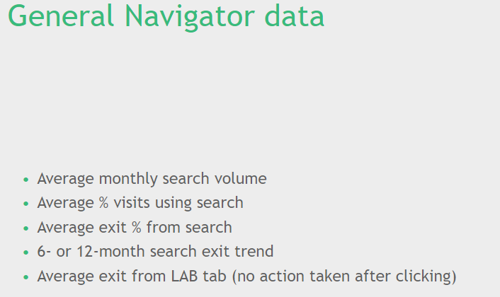

Month | Total Searches | Total Visits (All Enrich Products*) | Visits where "Search" exists
Jan'21 | 612,714 | 303,988 | 222,629
Feb'21 | 511,484 | 305,268 | 216,627
Mar'21 | 523,354 | 332,182 | 231,423
Apr'21 | 491,664 | 300,073 | 208,666
May'21 | 449,173 | 277,926 | 192,174
Jun'21 | 519,615 | 323,769 | 218,622
Jul'21 | 445,551 | 293,241 | 184,328
Average | 507,651 | 305,207 | 210,638
Sum | 3,553,555 | 2,136,447 | 1,474,469

Enrich Products* - New Navigator, Search, Topic Pages, Knowledge Pages, Knowledge Bundles, Case Pages, Office Pages, Microsites

3. Average exit % from search - Not feasible
4. 6-12 month search exit trend - Not feasible
5. Average Exit from Lab Tab - Calculating exit rate is something manual in Adobe. For Lab Tab, there are limited action items, though it will be a long process, but it should be doable. Sinc it will be time consuming, I can work on this in my next sprint starting 4th Aug

0

PAge-3
Date - 1Jan'21 to 29Jul'21 Traffic generated by Enrich Team excluded
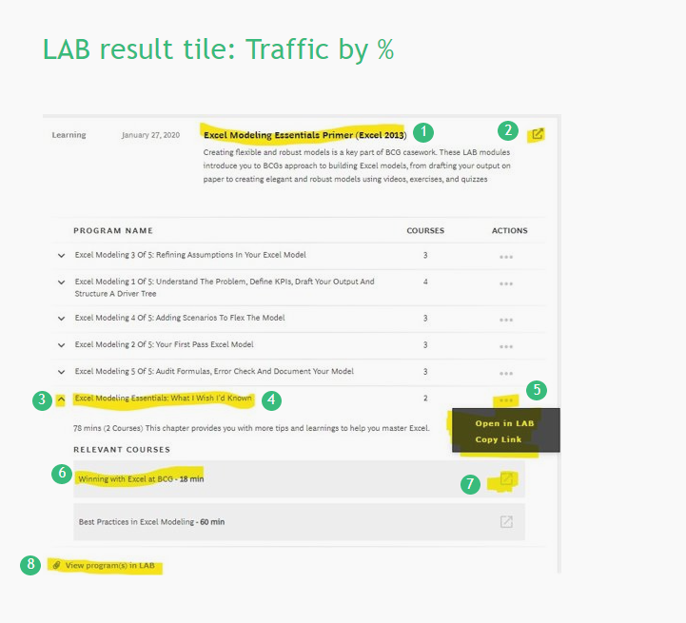

Points from screenshot | 1+2 | 5.1 | 5.2 | 7 | 8
Month | Lab Course open in lab | Lab Chapter open in lab | Copy Details | Lab Lesson open in lab | Lab Item Open lab
Jan'21 | 338 | 8 | 4 | 24 | 58
Feb'21 | 289 | 2 | 1 | 27 | 36
Mar'21 | 385 | 4 | 2 | 13 | 38
Apr'21 | 238 | 3 | 0 | 12 | 16
May'21 | 221 | 5 | 0 | 14 | 21
Jun'21 | 379 | 3 | 0 | 23 | 34
Jul'21 | 206 | 5 | 1 | 6 | 16
Sum | 2056 | 30 | 8 | 119 | 219

Points from screenshot - 3, 4, 6 - Tracking not available

Page-4
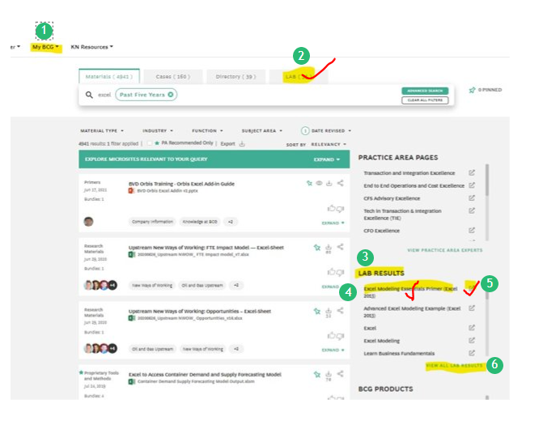
Date - 1Jan'21 to 29Jul'21 Traffic generated by Enrich Team excluded

Points from screenshot |  | 2+6 (no option available to differentiate both clicks) | 4+5
Month | All Tab Clicks | Tab Click = Lab + View All Lab Results | Lab Result Click
Jan'21 | 37,461 | 1,786 | 664
Feb'21 | 33,222 | 1,606 | 608
Mar'21 | 38,886 | 1,874 | 544
Apr'21 | 33,354 | 1,503 | 411
May'21 | 28,911 | 1,321 | 305
Jun'21 | 36,445 | 1,856 | 436
Jul'21 | 30,133 | 1,384 | 322
Sum | 238,412 | 11,330 | 3,290
 |  | 5%

1. My BCG | Clicks on "My BCG" are not available. We track clicks happening on links available inside My BCG Details included on next page

3. Lab Results | Tracking not available

Page-5
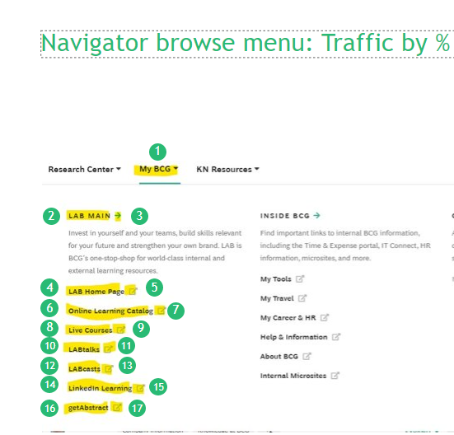
Date - 1Jan'21 to 29Jul'21 Traffic generated by Enrich Team excluded

Points from screenshot | Label Name | Clicks
2+3 | lab main | 989
4+5 | lab home page | 1976
6+7 | online learning catalog | 428
8+9 | live courses | 199
10+11 | labtalks | 114
12+13 | labcasts | 67
14+15 | linkedin learning | 332
16+17 | getabstract | 80
 | Sum | 4185

All Header Clicks | 462,064 |  | 1%
All Clciks inside My BCG | 59,841 |  | 7%

Point from screenshot - 1: Tracking not available

Page-2, Point-5
Date - 1Jan'21 to 29Jul'21 Traffic generated by Enrich Team excluded |  | Exit Rate from "LAB Tab" on Search

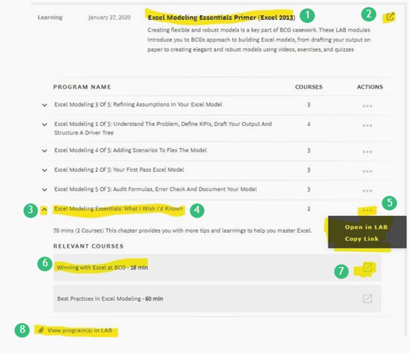

Month | Total Visits (Lab Tab on Search) | Visits where no action happened | Exit Rate
Jan'21 | 1864 | 1508 | 81%
Feb'21 | 1667 | 1229 | 74%
Mar'21 | 1924 | 1142 | 59%
Apr'21 | 1573 | 899 | 57%
May'21 | 1336 | 783 | 59%
Jun'21 | 1976 | 1149 | 58%
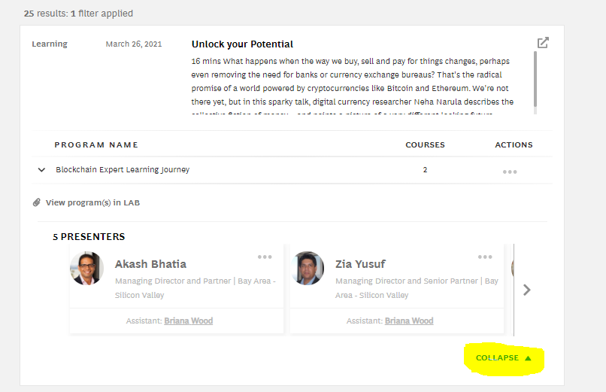
Jul'21* | 1444 | 829 | 57%

Condition applied here: Visitor came to LAB tab, but within one visit (30 minutes), didnot click on any of the highlighted actions.

